Git
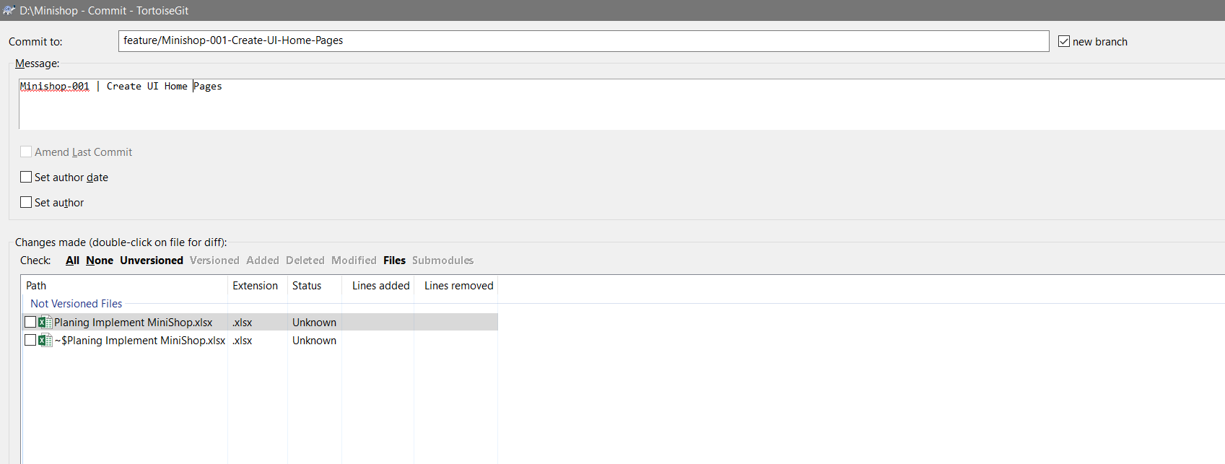
Task
 | feature/Minishop-001-Create-UI-Home-Pages

